Application Screen
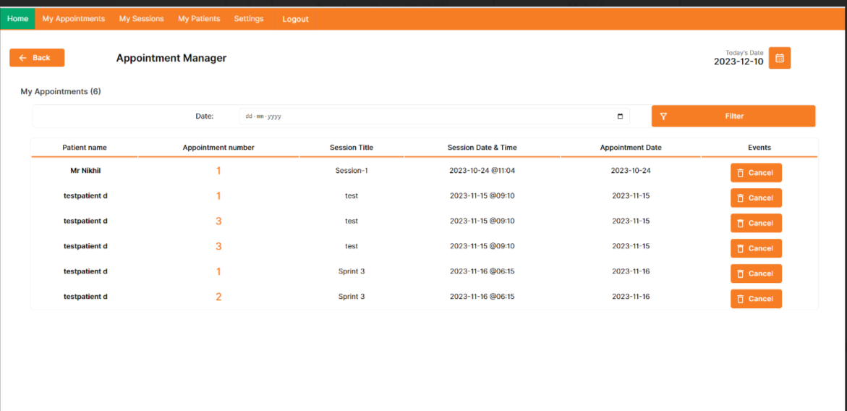

Test case 4
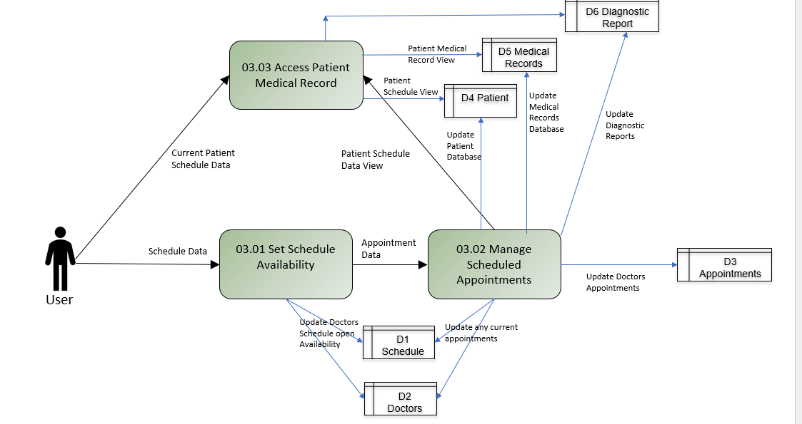
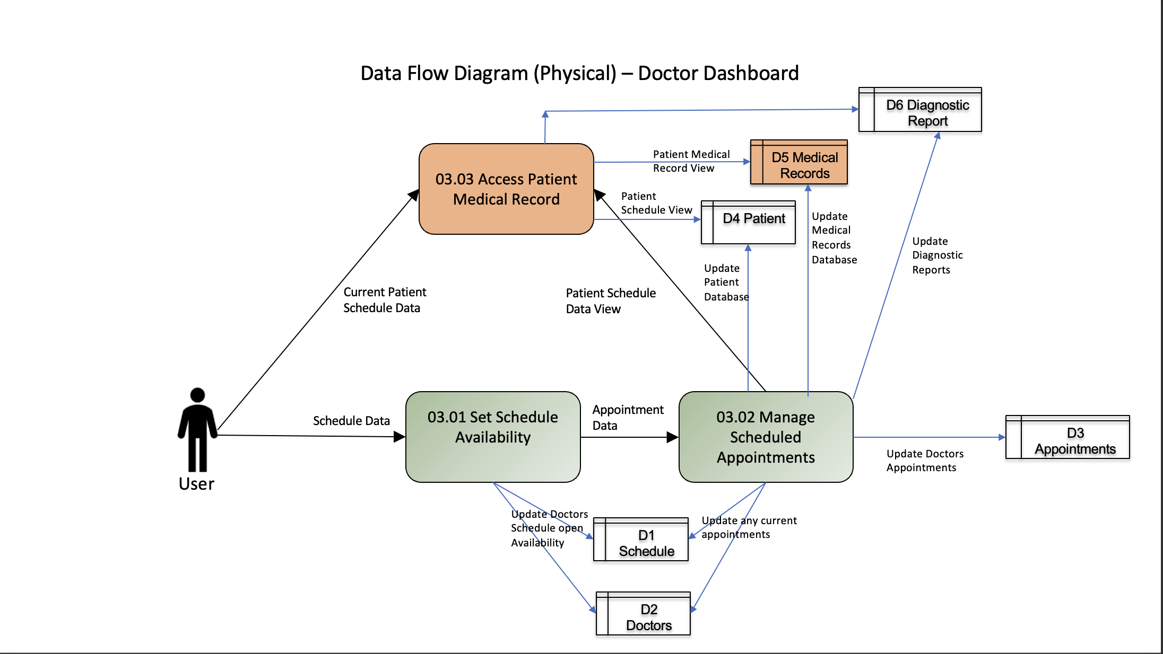
Test Case: 4
TC Title: | 03.02 Manage Scheduled Appointments - Data flow In

TC Objective: | Validate the synchronization of data from patient module to the doctor dashboard for managing scheduled appointments.

TC Description | Step | Step Description | Expected Results
 | 1 | Log in to the patient's interface using valid credentials. | Successfully logged into the patient portal dashboard.
 | 2 | Access the "Schedule" section to view upcoming | The list of appointments for the patient is displayed.
 | 3 | Select an existing appointment and choose the "Cancel" option. | The system allows cancellation of the appointment details.
 | 4 | Confirm the cancellation request. | Check the doctor module interface to confirm that the canceled appointment is appropriately updated or removed from the doctor's scheduled appointments list.

 |  |  |  | Data flow Tested in this test design

